Sheet1
Test No. | Test | Expected Result | Actual Result | Evidence | Comments
1a | Trying to exit from user screen after selecting a a previous option doesn’t work | Should be able to exit program when choice 6 is selected | Brings to another option (Fill in this case) | 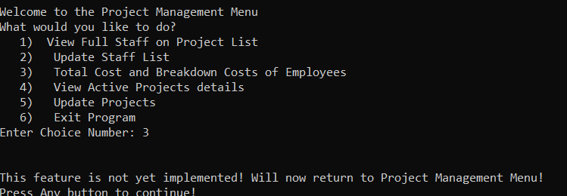 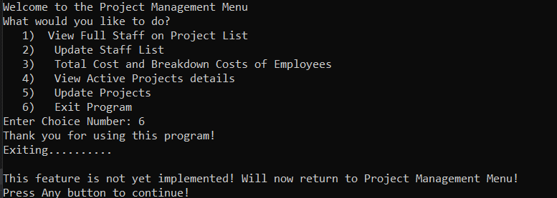 | iUserOption seems to be not updating when going to fill? Works the second time around after choosing 6 again
1b | Trying to exit from user screen after selecting a a previous option doesn’t work | Should be able to exit program when choice 6 is selected | Exiting as expected | 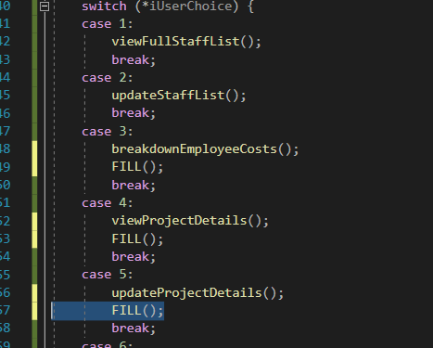 | created an exit ProgramFunction, removed these unecessary placeholders. Works as expected
2a | Checking the names of the people from csv | Expected to loop through 4 times | Looping 5 times, Reading last row twice |  | Currently using a while(!file.eof()) condition seems to be reading last line again
2b | Checking the names of the people from csv | Expected to loop through 3 times | Looping through 3 times | 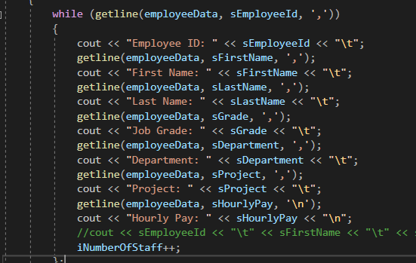 | Changed condition to while (getline(employeeData, sEmployeeId, ',')) to ensure it doesn’t run by an empty ID and repeat the previous loop

